Sheet1
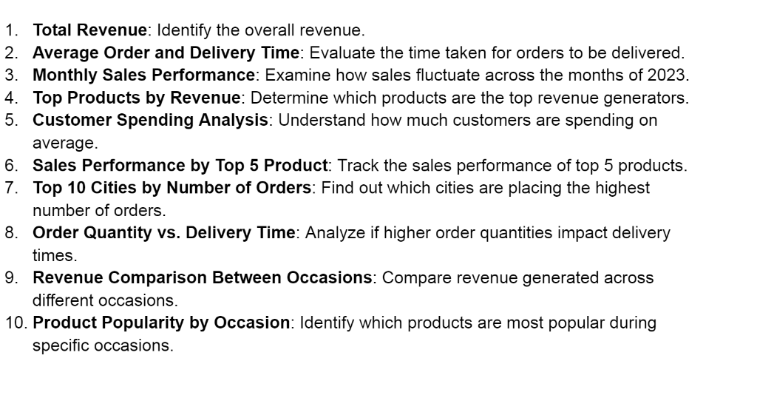
 | Row Labels | Sum of REVENUE | Sum of REVENUE | Average of Days OF DELIVERY | Row Labels | Sum of REVENUE | Row Labels | Sum of REVENUE | Average amt customer spend | Row Labels | Sum of REVENUE | Row Labels | Count of Order_ID | Row Labels | Sum of Quantity | Row Labels | Sum of REVENUE | Row Labels | Sum of REVENUE | Row Labels | Sum of REVENUE
1. TOTATL REVENUE | Cake | $329,862.00 | $3,520,984.00 | 5.53 | January | $95,468.00 | Adipisci Set | $32,352.00 | $3,520.98 | Cake | $329,862.00 | Bhatpara | 18 | 1 | 291 | All Occasions | $586,176.00 | Friday | $475,447.00 | 2 | $13,313.00
 | Colors | $1,005,645.00 |  |  | February | $704,509.00 | Error Gift | $60,640.00 |  | Colors | $1,005,645.00 | Bidhannagar | 21 | 2 | 290 | Anniversary | $674,634.00 | Monday | $461,670.00 | 3 | $6,420.00
 | Mugs | $201,151.00 |  |  | March | $511,823.00 | Exercitationem Pack | $96,701.00 |  | Raksha Bandhan | $297,372.00 | Bilaspur | 18 | 3 | 304 | Birthday | $408,194.00 | Saturday | $444,960.00 | 4 | $18,791.00
 | Plants | $212,281.00 |  |  | April | $140,393.00 | Expedita Gift | $88,944.00 |  | Soft Toys | $740,831.00 | Dhanbad | 28 | 4 | 332 | Diwali | $313,783.00 | Sunday | $628,138.00 | 5 | $15,939.00
 | Raksha Bandhan | $297,372.00 |  |  | May | $150,346.00 | Fugit Set | $68,292.00 |  | Sweets | $733,842.00 | Dibrugarh | 21 | 5 | 316 | Holi | $574,682.00 | Thursday | $418,354.00 | 6 | $5,712.00
 | Soft Toys | $740,831.00 |  |  | June | $157,913.00 | Magnam Set | $121,905.00 |  | Grand Total | $3,107,552.00 | Guntakal | 20 | 6 | 272 | Raksha Bandhan | $631,585.00 | Tuesday | $677,223.00 | 7 | $10,019.00
 | Sweets | $733,842.00 |  |  | July | $135,826.00 | Natus Gift | $31,768.00 |  |  |  | Haridwar | 24 | 7 | 270 | Valentine's Day | $331,930.00 | Wednesday | $415,192.00 | 8 | $14,894.00
 | Grand Total | $3,520,984.00 |  |  | August | $737,389.00 | Nihil Box | $73,964.00 |  |  |  | Imphal | 29 | 8 | 346 | Grand Total | $3,520,984.00 | Grand Total | $3,520,984.00 | 9 | $23,476.00
 |  |  | Sum of Order_ID |  | September | $136,938.00 | Voluptate Set | $11,610.00 |  |  |  | Kavali | 27 | 9 | 368 |  |  |  |  | 10 | $7,512.00
 |  |  | 500500 |  | October | $151,619.00 | Grand Total | $586,176.00 |  |  |  | North Dumdum | 19 | 10 | 256 |  |  |  |  | 12 | $13,226.00
 |  |  |  |  | November | $449,169.00 |  |  |  |  |  | Grand Total | 225 | Grand Total | 3045 |  |  |  |  | 13 | $14,524.00
 |  |  | TOTAL ORDERS |  | December | $149,591.00 |  |  |  |  |  |  |  |  |  |  |  |  |  | 14 | $5,016.00
 |  |  | 1000 |  | Grand Total | $3,520,984.00 |  |  |  |  |  |  |  |  |  |  |  |  |  | 15 | $17,255.00
 |  |  |  |  |  |  |  |  |  |  |  |  |  |  |  |  |  |  |  | 16 | $10,743.00
 |  |  |  |  |  |  |  |  |  |  |  |  |  |  |  |  |  |  |  | 17 | $15,222.00
 |  |  |  |  |  |  |  |  |  |  |  |  |  |  |  |  |  |  |  | 18 | $5,173.00
 |  |  |  |  |  |  |  |  |  |  |  |  |  |  |  |  |  |  |  | 19 | $18,461.00
 |  |  |  |  |  |  |  |  |  |  |  |  |  |  |  |  |  |  |  | 20 | $29,672.00
 |  |  |  |  |  |  |  |  |  |  |  |  |  |  |  |  |  |  |  | 21 | $16,396.00
 |  |  |  |  |  |  |  |  |  |  |  |  |  |  |  |  |  |  |  | 22 | $8,305.00
 |  |  |  |  |  |  |  |  |  |  |  |  |  |  |  |  |  |  |  | 23 | $7,992.00
 |  |  |  |  |  |  |  |  |  |  |  |  |  |  |  |  |  |  |  | Grand Total | $278,061.00

Dashboard
S SALE ANALYSIS
$3,520,984.00 TOTAL REVENUE
5.53 ORDER-DELIVERY TIME
$3,520.98 AVG. CUSTOMER SPENT

1000 TOTAL ORDERS

REVENUE BY OCCASIONS
 | Total
All Occasions | $586,176.00
Anniversary | $674,634.00
Birthday | $408,194.00
Diwali | $313,783.00
Holi | $574,682.00
Raksha Bandhan | $631,585.00
Valentine's Day | $331,930.00
REVENUE BY CATEGORIES
 | Total
Cake | $329,862.00
Colors | $1,005,645.00
Raksha Bandhan | $297,372.00
Soft Toys | $740,831.00
Sweets | $733,842.00
REVENUE BY MONTH
 | Total
January | $95,468.00
February | $704,509.00
March | $511,823.00
April | $140,393.00
May | $150,346.00
June | $157,913.00
July | $135,826.00
August | $737,389.00
September | $136,938.00
October | $151,619.00
November | $449,169.00
December | $149,591.00

Product popularity by occasion
 | Total
Adipisci Set | $32,352.00
Error Gift | $60,640.00
Exercitationem Pack | $96,701.00
Expedita Gift | $88,944.00
Fugit Set | $68,292.00
Magnam Set | $121,905.00
Natus Gift | $31,768.00
Nihil Box | $73,964.00
Voluptate Set | $11,610.00
TOP 10 CITIES BY ORDERS
 | Total
Bhatpara | 18
Bidhannagar | 21
Bilaspur | 18
Dhanbad | 28
Dibrugarh | 21
Guntakal | 20
Haridwar | 24
Imphal | 29
Kavali | 27
North Dumdum | 19
REVENUE BY HOUR
 | Total
2 | $13,313.00
3 | $6,420.00
4 | $18,791.00
5 | $15,939.00
6 | $5,712.00
7 | $10,019.00
8 | $14,894.00
9 | $23,476.00
10 | $7,512.00
12 | $13,226.00
13 | $14,524.00
14 | $5,016.00
15 | $17,255.00
16 | $10,743.00
17 | $15,222.00
18 | $5,173.00
19 | $18,461.00
20 | $29,672.00
21 | $16,396.00
22 | $8,305.00
23 | $7,992.00

